Dashboard - Sample
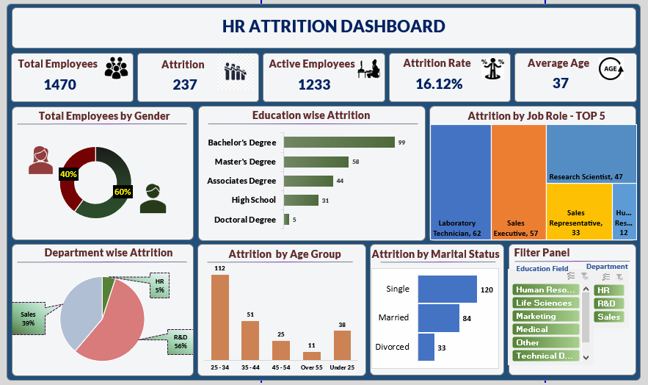

privot
Count of Employee Number
961

Count of Attrition
961

Count of CF_attrition label
1471

Row Labels | Count of Attrition
No | 86.16%
Yes | 13.84%
Grand Total | 100.00%

Row Labels | Count of Gender
Female | 39.44%
Male | 60.56%
Grand Total | 100.00%

Attrition | Yes

Row Labels | Count of Education
Associates Degree | 17.29%
Bachelor's Degree | 42.11%
Doctoral Degree | 2.26%
High School | 14.29%
Master's Degree | 24.06%
Grand Total | 100.00%

Attrition | Yes

Row Labels | Count of Job Role
Research Director | 1.50% |  | Research Director | 2%
Manager | 2.26% |  | Manager | 2%
Healthcare Representative | 6.77% |  | Healthcare Representative | 7%
Manufacturing Director | 7.52% |  | Manufacturing Director | 8%
Research Scientist | 35.34% |  | Research Scientist | 35%
Laboratory Technician | 46.62% |  | Laboratory Technician | 47%
 |  |  | 0 | 0%
 |  |  | 0 | 0%
 |  |  | 0 | 0%

Attrition | Yes

Row Labels | Count of Department
R&D | 100.00%

Attrition | Yes

Row Labels | Count of CF_age band
25 - 34 | 48.87%
35 - 44 | 21.80%
45 - 54 | 6.02%
Over 55 | 6.77%
Under 25 | 16.54%

Attrition | Yes

Row Labels | Count of Marital Status
Divorced | 13.53%
Married | 36.84%
Single | 49.62%

 | Row Labels | Count of Education Field
 | Life Sciences | 440
 | Medical | 363
 | Other | 64
 | Technical Degree | 94
 | Grand Total | 961

Blank - Layout
`
HR Attrition Analysis

Total Employees
Attritions
Active employees
Rate of attrition
Average age
961
257
1233
16.12%
37 Years

Male Vs. Female Ratio
Education wise Attrition
Attrition by Job Role
 | Total
Female | 39.44%
Male | 60.56%
 | Total
Associates Degree | 17.29%
Bachelor's Degree | 42.11%
Doctoral Degree | 2.26%
High School | 14.29%
Master's Degree | 24.06%

Department Wise Attrition
Attrition by Age Group
Attrition by Marital Status
Filter
 | Total
R&D | 100.00%
 | Total
25 - 34 | 48.87%
35 - 44 | 21.80%
45 - 54 | 6.02%
Over 55 | 6.77%
Under 25 | 16.54%
 | Total
Divorced | 13.53%
Married | 36.84%
Single | 49.62%

